Emily's notes
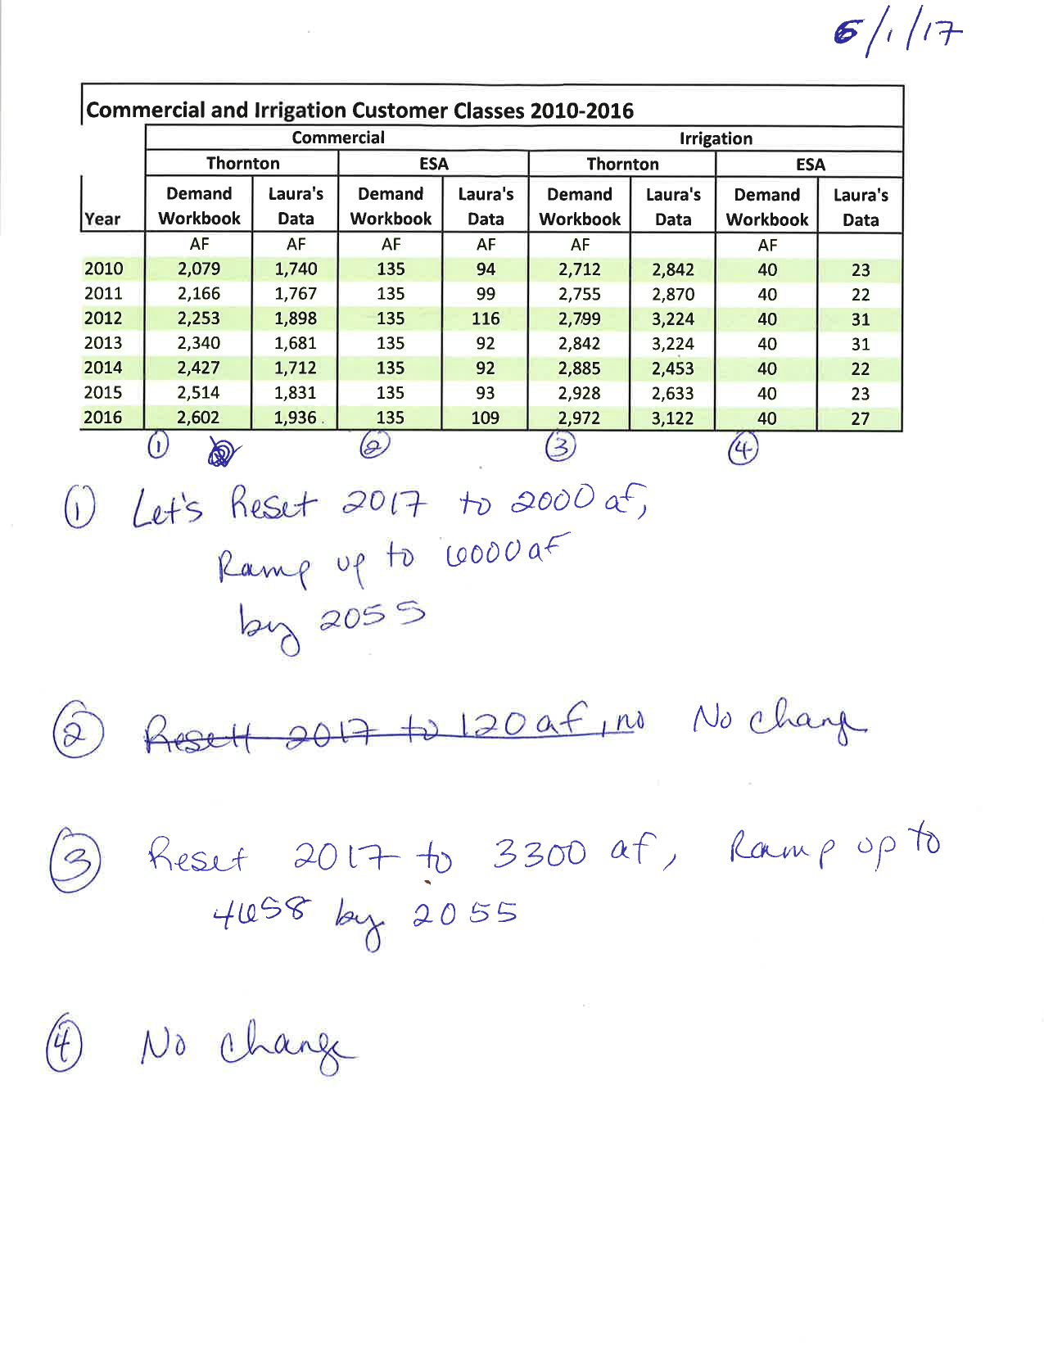
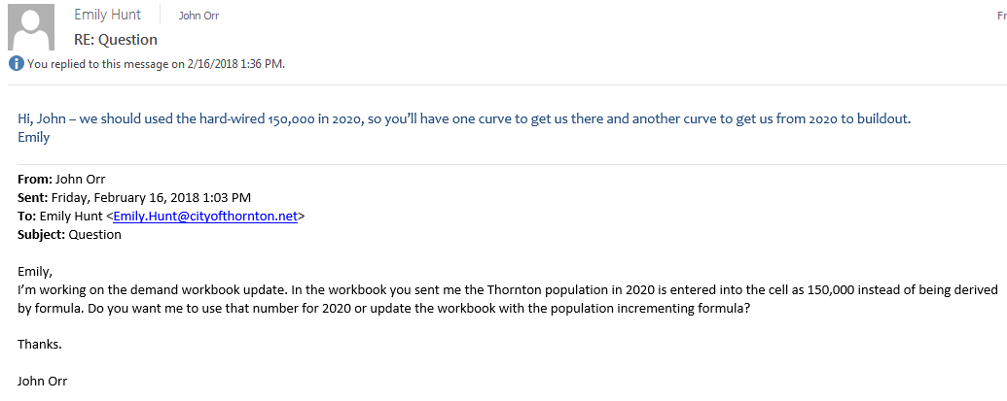

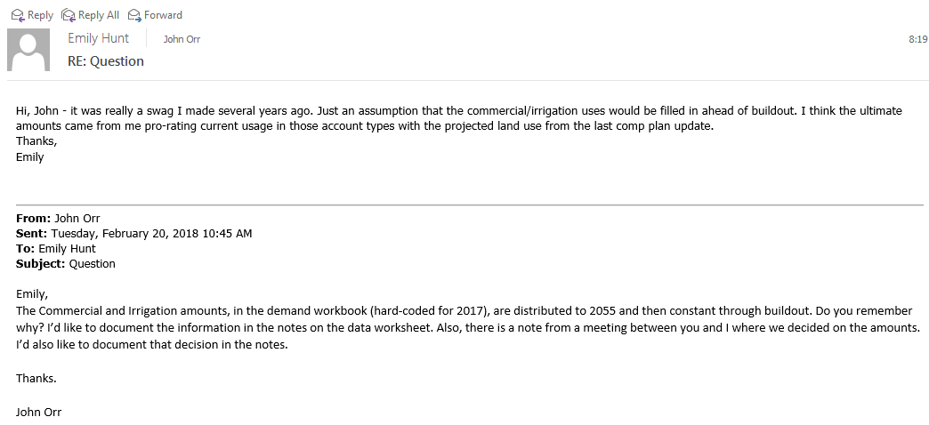

No TWP Chart by Pop
City of Thornton Water Supply - No TWP Firm Yield and Demand (AF)
 | Demand Without Safety Factor | Demand with Safety Factor | Supply
134,000 | 28,494 | 30,647 | 28,700
135,000 | 28,517 | 30,672 | 28,700
136,000 | 28,540 | 30,697 | 28,700
137,000 | 28,563 | 30,723 | 28,700
137,000 | 28,586 | 30,748 | 28,700
138,000 | 28,717 | 30,891 | 28,700
139,000 | 28,848 | 31,034 | 28,700
140,000 | 28,980 | 31,178 | 28,700
140,000 | 29,111 | 31,321 | 28,700
141,000 | 29,248 | 31,471 | 28,700
142,000 | 29,386 | 31,621 | 28,700
143,000 | 29,523 | 31,771 | 28,700
143,000 | 29,660 | 31,921 | 28,700
144,000 | 29,779 | 32,051 | 30,000
145,000 | 29,898 | 32,181 | 30,000
146,000 | 30,016 | 32,310 | 31,000
146,000 | 30,135 | 32,440 | 32,000
148,000 | 31,110 | 33,505 | 32,000
149,000 | 31,110 | 33,505 | 32,000

Chart by Pop
City of Thornton Water Supply Firm Yield and Demand (AF)
 | Demand Without Safety Factor | Demand with Safety Factor | Supply
133,000 | 28,243 | 30,372 | 28,700
134,000 | 28,494 | 30,647 | 28,700
135,000 | 28,517 | 30,672 | 28,700
136,000 | 28,540 | 30,697 | 28,700
137,000 | 28,563 | 30,723 | 28,700
137,000 | 28,586 | 30,748 | 28,700
138,000 | 28,717 | 30,891 | 28,700
139,000 | 28,848 | 31,034 | 28,700
140,000 | 28,980 | 31,178 | 28,700
140,000 | 29,111 | 31,321 | 28,700
141,000 | 29,248 | 31,471 | 28,700
142,000 | 29,386 | 31,621 | 28,700
143,000 | 29,523 | 31,771 | 28,700
143,000 | 29,660 | 31,921 | 28,700
144,000 | 29,779 | 32,051 | 30,000
145,000 | 29,898 | 32,181 | 30,000
146,000 | 30,016 | 32,310 | 30,000
146,000 | 30,135 | 32,440 | 30,000
148,000 | 30,549 | 32,893 | 30,000
149,000 | 30,757 | 33,119 | 30,000
150,000 | 30,964 | 33,346 | 30,000
151,000 | 31,171 | 33,572 | 30,000
152,000 | 31,378 | 33,799 | 30,000
153,000 | 31,586 | 34,025 | 30,000
154,000 | 31,793 | 34,252 | 30,000
155,000 | 32,000 | 34,478 | 30,000
157,000 | 32,207 | 34,704 | 30,000
158,000 | 32,415 | 34,931 | 30,000
159,000 | 32,622 | 35,157 | 35,000
160,000 | 32,829 | 35,384 | 35,000
161,000 | 33,036 | 35,610 | 35,000
162,000 | 33,244 | 35,837 | 35,000
163,000 | 33,451 | 36,063 | 35,000
164,000 | 33,658 | 36,289 | 35,000
165,000 | 33,865 | 36,516 | 35,000
166,000 | 34,073 | 36,742 | 35,000
167,000 | 34,280 | 36,969 | 35,000
168,000 | 34,487 | 37,195 | 36,000
169,000 | 34,694 | 37,422 | 36,000
170,000 | 34,902 | 37,648 | 37,000
171,000 | 35,109 | 37,874 | 37,000
172,000 | 35,316 | 38,101 | 37,000
174,000 | 35,523 | 38,327 | 37,000
175,000 | 35,731 | 38,554 | 42,000
176,000 | 35,938 | 38,780 | 42,000
177,000 | 36,145 | 39,007 | 42,000
178,000 | 36,352 | 39,233 | 42,000
179,000 | 36,560 | 39,460 | 42,000
180,000 | 36,767 | 39,686 | 42,000
181,000 | 36,974 | 39,912 | 42,000
...

Chart by Year
City of Thornton Water Supply Firm Yield and Demand (AF) 150,000 people by 2020
 | Demand Without Safety Factor | Demand with Safety Factor | Supply
2017 | 28,586 | 30,748 | 28,700
2018 | 29,111 | 31,321 | 28,700
2019 | 29,660 | 31,921 | 28,700
2020 | 30,135 | 32,440 | 30,000
2021 | 30,549 | 32,893 | 30,000
2022 | 30,964 | 33,346 | 30,000
2023 | 31,378 | 33,799 | 30,000
2024 | 31,793 | 34,252 | 30,000
2025 | 32,207 | 34,704 | 30,000
2026 | 32,622 | 35,157 | 35,000
2027 | 33,036 | 35,610 | 35,000
2028 | 33,451 | 36,063 | 35,000
2029 | 33,865 | 36,516 | 35,000
2030 | 34,280 | 36,969 | 35,000
2031 | 34,694 | 37,422 | 36,000
2032 | 35,109 | 37,874 | 36,000
2033 | 35,523 | 38,327 | 37,000
2034 | 35,938 | 38,780 | 37,000
2035 | 36,352 | 39,233 | 37,000
2036 | 36,767 | 39,686 | 42,000
2037 | 37,181 | 40,139 | 42,000
2038 | 37,596 | 40,592 | 42,000
2039 | 38,010 | 41,045 | 42,000
2040 | 38,425 | 41,497 | 42,000
2041 | 38,839 | 41,950 | 42,000
2042 | 39,254 | 42,403 | 42,000
2043 | 39,668 | 42,856 | 42,000
2044 | 40,083 | 43,309 | 46,000
2045 | 40,497 | 43,762 | 46,000
2046 | 40,912 | 44,215 | 46,000
2047 | 41,326 | 44,668 | 46,000
2048 | 41,741 | 45,120 | 46,000
2049 | 42,155 | 45,573 | 46,000
2050 | 42,570 | 46,026 | 46,000
2051 | 42,984 | 46,479 | 46,000
2052 | 43,399 | 46,932 | 48,000
2053 | 43,813 | 47,385 | 48,000
2054 | 44,228 | 47,838 | 48,000
2055 | 44,705 | 48,359 | 48,000
2056 | 44,953 | 48,630 | 48,000
2057 | 45,201 | 48,902 | 48,000
2058 | 45,450 | 49,173 | 48,000
2059 | 45,698 | 49,444 | 48,000
2060 | 45,946 | 49,715 | 50,000
2061 | 46,194 | 49,986 | 50,000
2062 | 46,442 | 50,257 | 50,000
2063 | 46,691 | 50,529 | 50,000
2064 | 46,939 | 50,800 | 50,000
2065 | 47,187 | 51,071 | 50,000
2066 | 47,101 | 51,071 | 52,000
...

Chart by Year CE Accelerated
City of Thornton Water Supply Firm Yield and Demand (AF) 150,000 people by 2020, with accelerated Cooley East supply
 | Demand Without Safety Factor | Demand with Safety Factor | Supply
2017 | 28,586 | 30,748 | 28,700
2018 | 29,111 | 31,321 | 28,700
2019 | 29,660 | 31,921 | 28,700
2020 | 30,135 | 32,440 | 30,000
2021 | 30,549 | 32,893 | 32,500
2022 | 30,964 | 33,346 | 32,500
2023 | 31,378 | 33,799 | 32,500
2024 | 31,793 | 34,252 | 32,500
2025 | 32,207 | 34,704 | 32,500
2026 | 32,622 | 35,157 | 37,500
2027 | 33,036 | 35,610 | 37,500
2028 | 33,451 | 36,063 | 37,500
2029 | 33,865 | 36,516 | 37,500
2030 | 34,280 | 36,969 | 37,500
2031 | 34,694 | 37,422 | 37,500
2032 | 35,109 | 37,874 | 38,500
2033 | 35,523 | 38,327 | 38,500
2034 | 35,938 | 38,780 | 43,500
2035 | 36,352 | 39,233 | 43,500
2036 | 36,767 | 39,686 | 43,500
2037 | 37,181 | 40,139 | 43,500
2038 | 37,596 | 40,592 | 43,500
2039 | 38,010 | 41,045 | 43,500
2040 | 38,425 | 41,497 | 43,500
2041 | 38,839 | 41,950 | 43,500
2042 | 39,254 | 42,403 | 43,500
2043 | 39,668 | 42,856 | 43,500
2044 | 40,083 | 43,309 | 47,500
2045 | 40,497 | 43,762 | 47,500
2046 | 40,912 | 44,215 | 47,500
2047 | 41,326 | 44,668 | 47,500
2048 | 41,741 | 45,120 | 47,500
2049 | 42,155 | 45,573 | 47,500
2050 | 42,570 | 46,026 | 47,500
2051 | 42,984 | 46,479 | 47,500
2052 | 43,399 | 46,932 | 49,500
2053 | 43,813 | 47,385 | 49,500
2054 | 44,228 | 47,838 | 49,500
2055 | 44,705 | 48,359 | 49,500
2056 | 44,953 | 48,630 | 49,500
2057 | 45,201 | 48,902 | 49,500
2058 | 45,450 | 49,173 | 49,500
2059 | 45,698 | 49,444 | 49,500
2060 | 45,946 | 49,715 | 51,500
2061 | 46,194 | 49,986 | 51,500
2062 | 46,442 | 50,257 | 51,500
2063 | 46,691 | 50,529 | 51,500
2064 | 46,939 | 50,800 | 51,500
2065 | 47,187 | 51,071 | 51,500
2066 | 47,101 | 51,071 | 53,500
...

